Specification
 |  |  |  |  |  |  |  |  |  |  |  |  | 4207
SEASON | ARTICLE | IMAGE 1 | IMAGE 2 | IMAGE 3 | COLOR | COLOR DESCRIPTION | PRODUCT NAME | COMPOSITION 1 | GENDER | MADE IN | WHS | RRP | QTY | XS | S | M | L | XL | XXL | 3XL | 4XL | 38 | 40 | 42 | 44 | 46 | 48
FW | 6532039D | 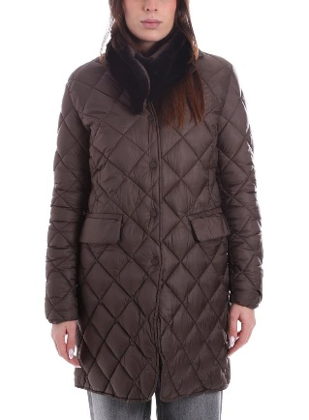 | 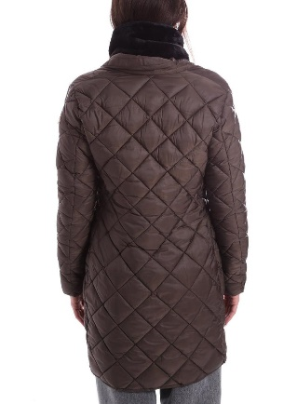 | 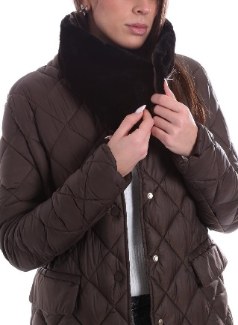 | 364 | COFFEE | DOWN JACKET | 45% POLYESTER 55% POLYAMIDE | FEMALE | MYANMAR | €92.00 | €235.00 | 138 | 2 | 25 | 48 | 38 | 18 | 7
FW | 6532039D | 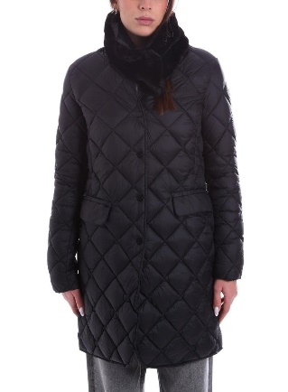 | 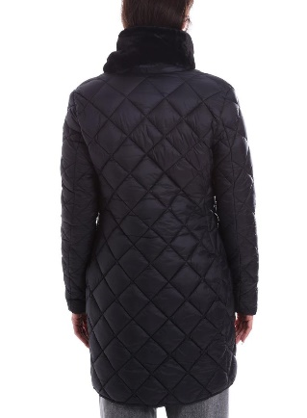 | 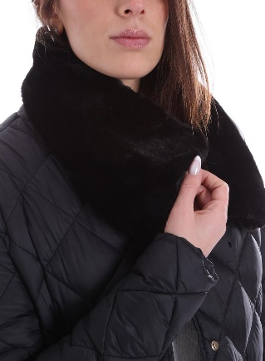 | 4 | GREEN | DOWN JACKET | 45% POLYESTER 55% POLYAMIDE | FEMALE | MYANMAR | €92.00 | €235.00 | 97 |  | 11 | 31 | 24 | 24 | 7
FW | 6532039D |  |  |  | 7 | BLACK | DOWN JACKET | 45% POLYESTER 55% POLYAMIDE | FEMALE | MYANMAR | €92.00 | €235.00 | 195 | 3 | 20 | 55 | 57 | 39 | 21
FW | 6532040D | 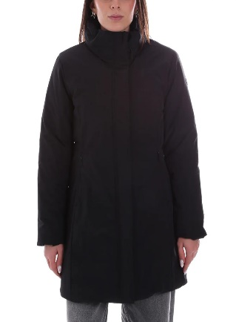 | 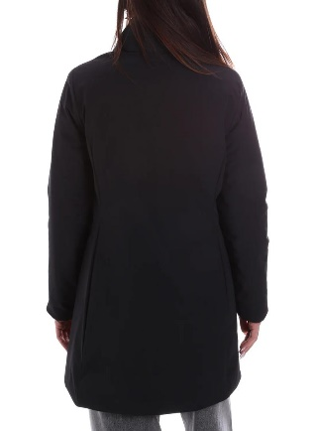 | 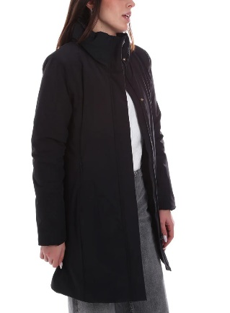 | 7 | BLACK | DOWN JACKET | 88% POLYAMIDE 12% ELASTANE | FEMALE | MYANMAR | €78.00 | €209.00 | 940 | 48 | 149 | 216 | 211 | 206 | 110
FW | 6532045D |  |  |  | 250 | BURNT | DOWN JACKET | 45% POLYESTER 55% POLYAMIDE | FEMALE | MYANMAR | €92.00 | €239.00 | 162 | 15 | 20 | 38 | 40 | 35 | 14
FW | 6532045D |  |  |  | 364 | COFFEE | DOWN JACKET | 45% POLYESTER 55% POLYAMIDE | FEMALE | MYANMAR | €92.00 | €239.00 | 99 | 9 | 14 | 26 | 12 | 31 | 7
FW | 6532045D |  |  |  | 4 | GREEN | DOWN JACKET | 45% POLYESTER 55% POLYAMIDE | FEMALE | MYANMAR | €92.00 | €239.00 | 110 | 12 | 20 | 9 | 28 | 35 | 6
FW | 6532045D |  |  |  | 7 | BLACK | DOWN JACKET | 45% POLYESTER 55% POLYAMIDE | FEMALE | MYANMAR | €92.00 | €239.00 | 105 |  | 24 | 16 | 17 | 41 | 7
FW | 6532045D |  |  |  | 730 | DARK BLUE | DOWN JACKET | 45% POLYESTER 55% POLYAMIDE | FEMALE | MYANMAR | €92.00 | €239.00 | 197 | 25 | 25 | 38 | 39 | 51 | 19
FW | 6531075D | 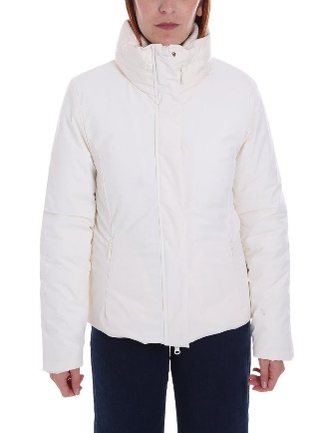 | 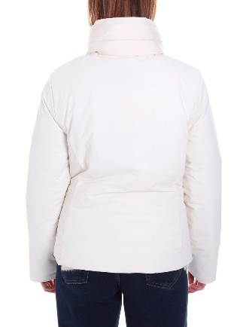 |  | 28 | ECRU | DOWN JACKET | 88% POLYAMIDE 12% ELASTANE | FEMALE | MYANMAR | €71.00 | €185.00 | 91 |  | 5 | 16 | 17 | 53
FW | 6531084D |  |  |  | 15 | DARK GREY | DOWN JACKET | 100% POLYAMIDE | FEMALE | MYANMAR | €40.00 | €109.00 | 381 |  | 3 | 146 | 124 | 88 | 20
FW | 6531085D |  |  |  | 119 | CORAL | DOWN JACKET | 100% POLYAMIDE | FEMALE | BANGLADESH | €30.00 | €79.00 | 180 |  | 59 | 69 | 52
FW | 6531095D | 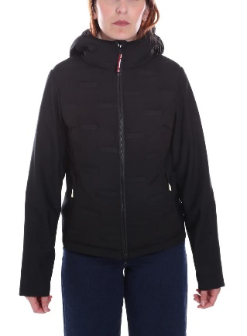 | 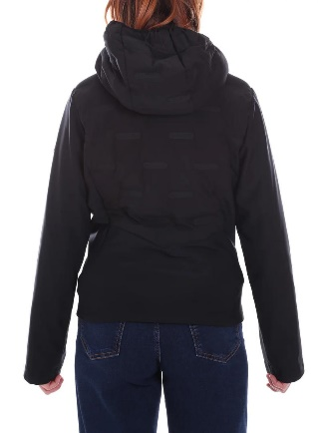 | 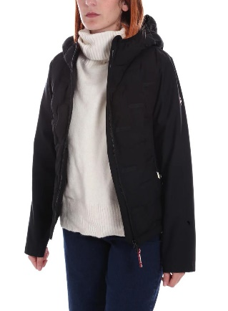 | 7 | BLACK | DOWN JACKET | 100% POLYESTER | FEMALE | CHINA | €59.00 | €155.00 | 256 |  |  | 96 | 93 | 50 | 17
FW | 6531095D | 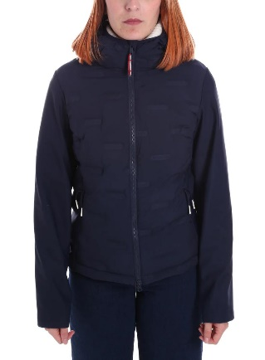 | 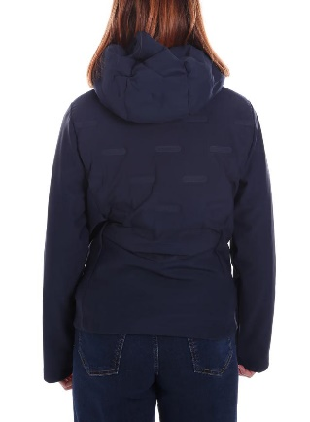 | 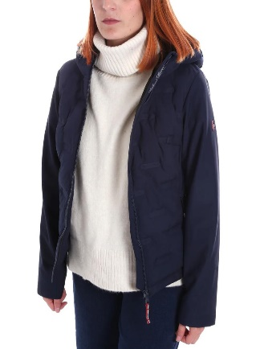 | 730 | DARK BLUE | DOWN JACKET | 100% POLYESTER | FEMALE | CHINA | €59.00 | €155.00 | 208 |  | 6 | 87 | 67 | 34 | 14
FW | 6532039D | 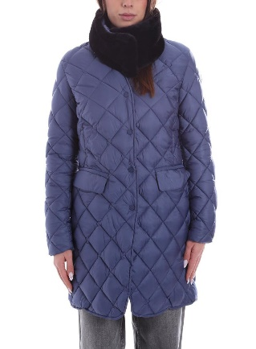 | 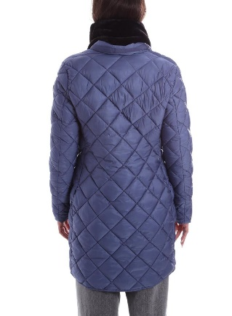 | 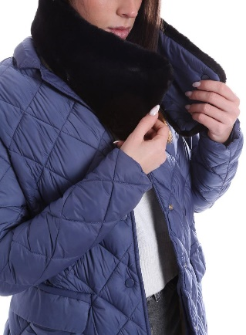 | 730 | DARK BLUE | DOWN JACKET | 45% POLYESTER 55% POLYAMIDE | FEMALE | MYANMAR | €92.00 | €235.00 | 176 |  | 16 | 54 | 60 | 34 | 12
FW | 6532040D | 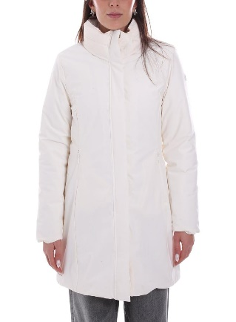 | 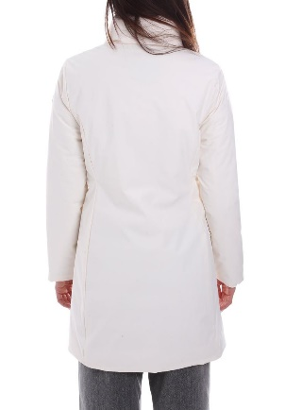 | 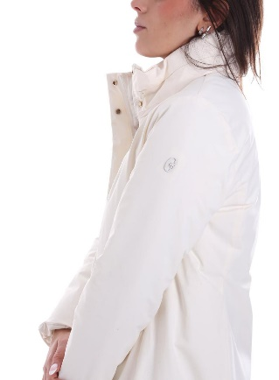 | 28 | ECRU | DOWN JACKET | 88% POLYAMIDE 12% ELASTANE | FEMALE | MYANMAR | €78.00 | €209.00 | 232 |  | 33 | 40 | 54 | 55 | 50
FW | 6532038D | 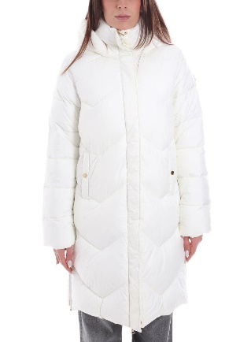 | 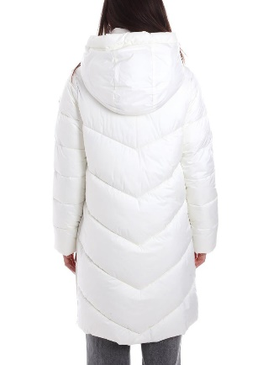 | 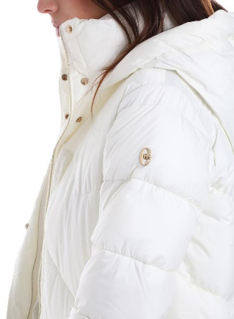 | 28 | ECRU | DOWN JACKET | 100% POLYESTER | FEMALE | CHINA | €83.00 | €215.00 | 2 |  |  | 1 |  | 1
FW | 6532039D |  |  |  | 160 | DOVE GREY | DOWN JACKET | 45% POLYESTER 55% POLYAMIDE | FEMALE | MYANMAR | €92.00 | €235.00 | 11 |  |  | 6 | 5
FW | 6537009D | 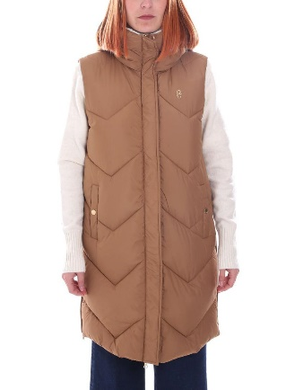 | 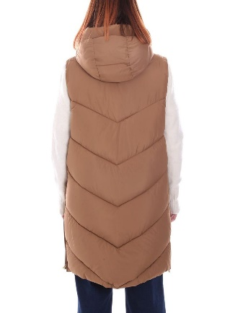 |  | 263 | TOBACCO | DOWN VEST | 100% POLYESTER | FEMALE | CHINA | €54.00 | €145.00 | 1 |  |  | 1
FW | 6554023D | 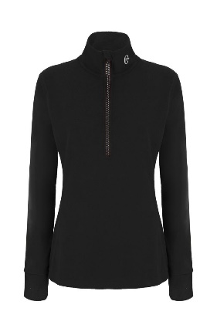 | 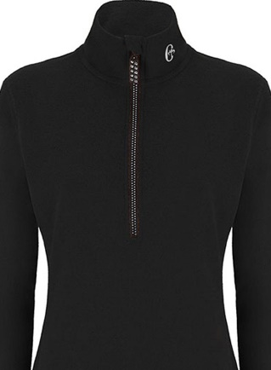 |  | 7 | BLACK | SWEATSHIRT | 100% POLYESTER | FEMALE | CHINA | €26.00 | €69.00 | 1 |  | 1
FW | 6554025D | 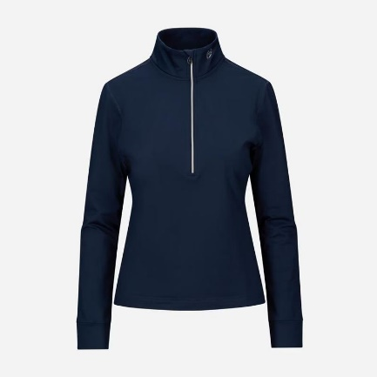 | 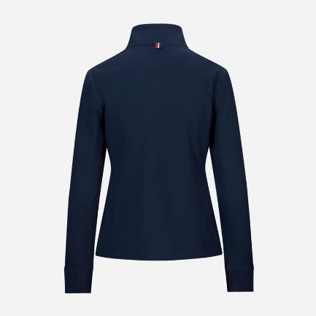 | 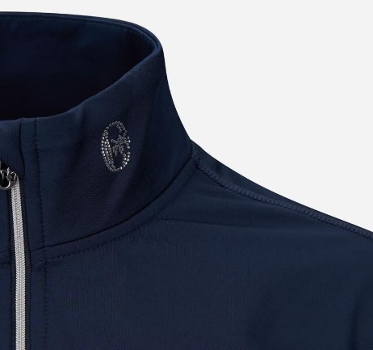 | 730 | DARK BLUE | SWEATSHIRT | 87% POLYESTER 13% ELASTANE | FEMALE | CHINA | €21.00 | €55.00 | 1 |  | 1
FW | 6550082D | 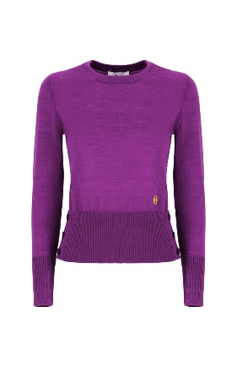 |  |  | 7072 | OLIVE | JUMPER | 100% WOOL | FEMALE | BANGLADESH | €34.00 | €89.00 | 2 |  | 1 | 1
FW | 6550092D | 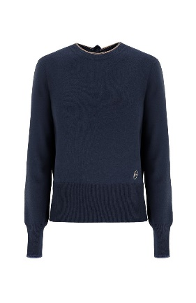 |  |  | 28 | ECRU | JUMPER | 35% POLYAMIDE 30% WOOL 30% VISCOSE 5% CASHMERE | FEMALE | BANGLADESH | €30.00 | €79.00 | 2 |  |  |  | 1 | 1
FW | 6550083D | 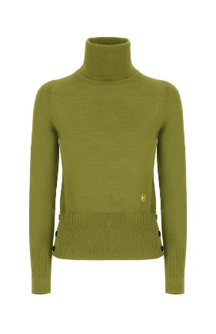 |  |  | 7072 | OLIVE | TURTLENECK | 100% WOOL | FEMALE | BANGLADESH | €34.00 | €89.00 | 2 | 1 |  | 1
FW | 6550091D | 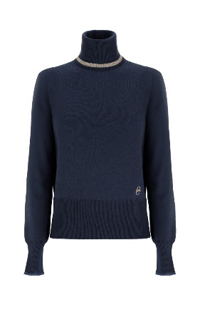 |  |  | 159 | CAMEL | TURTLENECK | 35% POLYAMIDE 30% WOOL 30% VISCOSE 5% CASHMERE | FEMALE | BANGLADESH | €32.00 | €85.00 | 2 | 1 |  | 1
FW | 6550091D |  |  |  | 7 | BLACK | TURTLENECK | 35% POLYAMIDE 30% WOOL 30% VISCOSE 5% CASHMERE | FEMALE | BANGLADESH | €32.00 | €85.00 | 1 |  |  |  | 1
FW | 6550077U | 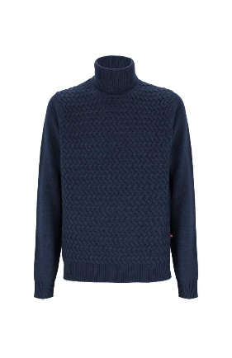 |  |  | 459 | DARK GREY/MELANGE | TURTLENECK | 35% POLYAMIDE 30% VISCOSE 30% WOOL 5% CASHMERE | MALE | BANGLADESH | €41.00 | €109.00 | 1 |  | 1
FW | 6550071U |  |  |  | 410 | GREY | JUMPER | 50% WOOL 50% ACRYLIC | MALE | BANGLADESH | €33.00 | €85.00 | 3 |  |  |  |  |  |  | 1 | 2
FW | 6547019D | 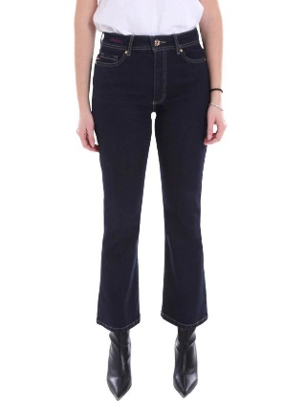 | 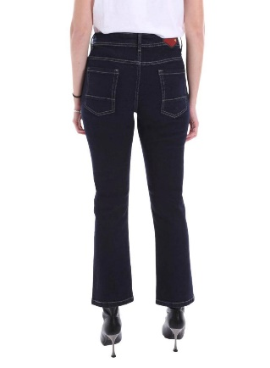 | 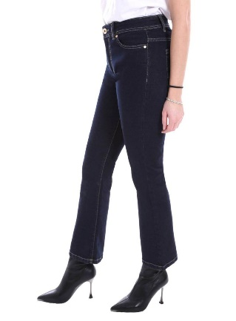 | 730 | DARK BLUE | JEANS | 98% COTTON 2% ELASTANE | FEMALE | BANGLADESH | €28.00 | €79.00 | 333 |  |  |  |  |  |  |  |  |  | 28 | 87 | 98 | 77 | 43
FW | 6547020D |  |  |  | 28 | ECRU | JEANS | 98% COTTON 2% ELASTANE | FEMALE | BANGLADESH | €29.00 | €79.00 | 85 |  |  |  |  |  |  |  |  | 1 | 39 | 2 | 15 | 28
FW | 6547020D | 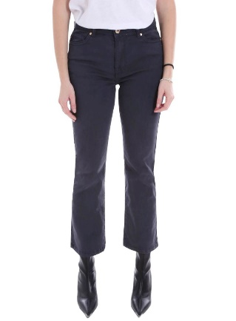 | 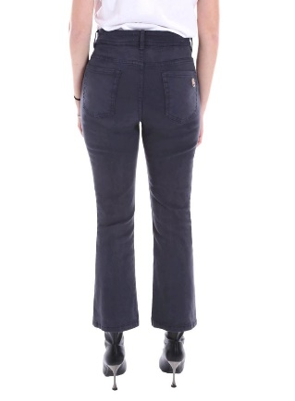 | 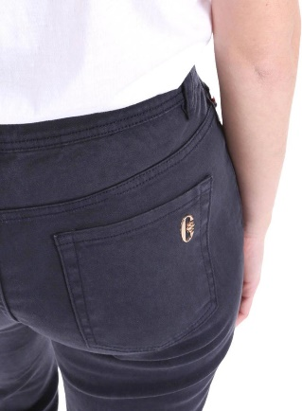 | 730 | DARK BLUE | JEANS | 98% COTTON 2% ELASTANE | FEMALE | BANGLADESH | €29.00 | €79.00 | 106 |  |  |  |  |  |  |  |  | 1 | 18 | 32 | 40 | 14 | 1
FW | 6547020D | 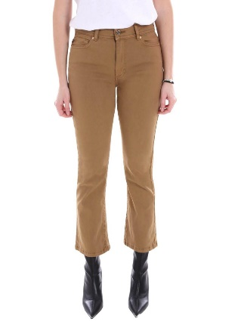 | 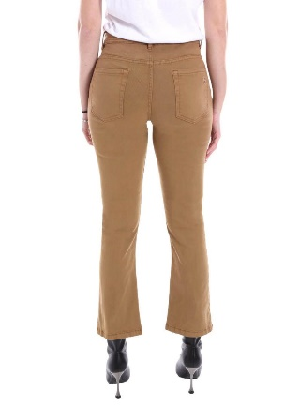 | 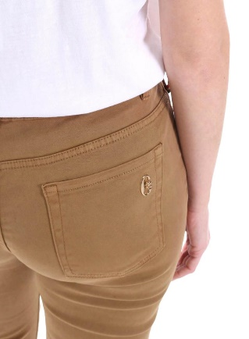 | 263 | TOBACCO | JEANS | 98% COTTON 2% ELASTANE | FEMALE | BANGLADESH | €29.00 | €79.00 | 29 |  |  |  |  |  |  |  |  |  | 1 | 7 | 12 | 7 | 2
FW | 6547020D | 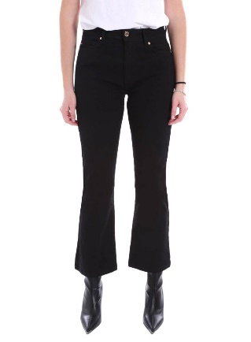 | 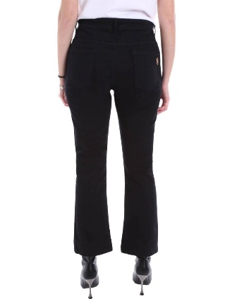 | 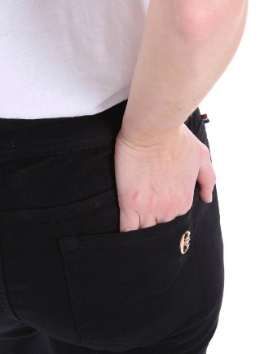 | 7 | BLACK | JEANS | 98% COTTON 2% ELASTANE | FEMALE | BANGLADESH | €29.00 | €79.00 | 58 |  |  |  |  |  |  |  |  |  |  | 15 | 23 | 20

